Dashboard
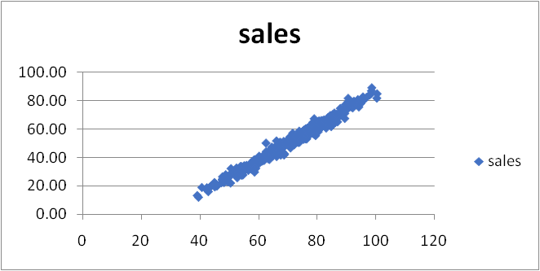
Ice Cream Sales Dashboard

total units vs. flavour
 | total units
chocolate | 460
lemon | 713
strawberry | 399
vanilla | 527

